Daily Power Station Chart_14-01
Plant_18/07/2025Chart

Plant:odco1 |  |  | Installed Capacity:111.180kWp
Today Yield(kWh):644.700kWh |  | Today Earning:257880.000TND |  | Today Full Load Hours(h):5.80h

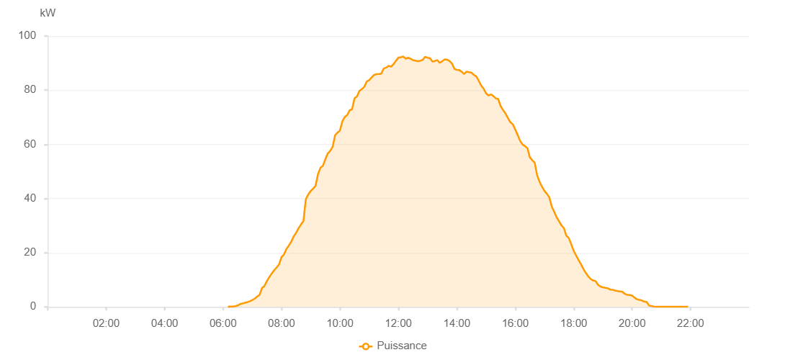

Number | Time | Working State | PV(W) | Instantaneous Radiation(W/㎡)
1 | 06:10:00 | Online | 40.00000 | 0
2 | 06:15:00 | Online | 130.00000 | 0
3 | 06:20:00 | Online | 120.00000 | 0
4 | 06:25:00 | Online | 280.00000 | 2.00000
5 | 06:30:00 | Online | 510.00000 | 4.00000
6 | 06:35:00 | Online | 1040.00000 | 7.00000
7 | 06:40:00 | Online | 1240.00000 | 10.00000
8 | 06:45:00 | Online | 1550.00000 | 13.00000
9 | 06:50:00 | Online | 1750.00000 | 21.00000
10 | 06:55:00 | Online | 2090.00000 | 32.00000
11 | 07:00:00 | Online | 2520.00000 | 44.00000
12 | 07:05:00 | Online | 3050.00000 | 56.00000
13 | 07:10:00 | Online | 3810.00000 | 69.00000
14 | 07:15:00 | Online | 4450.00000 | 82.00000
15 | 07:20:00 | Online | 6960.00000 | 98.00000
16 | 07:25:00 | Online | 7720.00000 | 112.00000
17 | 07:30:00 | Online | 9520.00000 | 128.00000
18 | 07:35:00 | Online | 11000.00000 | 145.00000
19 | 07:40:00 | Online | 12320.00000 | 166.00000
20 | 07:45:00 | Online | 13560.00000 | 184.00000
21 | 07:50:00 | Online | 14560.00000 | 201.00000
22 | 07:55:00 | Online | 15670.00000 | 218.00000
23 | 08:00:00 | Online | 18350.00000 | 235.00000
24 | 08:05:00 | Online | 19320.00000 | 254.00000
25 | 08:10:00 | Online | 21350.00000 | 271.00000
26 | 08:15:00 | Online | 22610.00000 | 290.00000
27 | 08:20:00 | Online | 24060.00000 | 309.00000
28 | 08:25:00 | Online | 25980.00000 | 328.00000
29 | 08:30:00 | Online | 27360.00000 | 347.00000
30 | 08:35:00 | Online | 29010.00000 | 364.00000
31 | 08:40:00 | Online | 30400.00000 | 383.00000
32 | 08:45:00 | Online | 31600.00000 | 405.00000
33 | 08:50:00 | Online | 39760.00000 | 423.00000
34 | 08:55:00 | Online | 41510.00000 | 443.00000
35 | 09:00:00 | Online | 42770.00000 | 460.00000
36 | 09:05:00 | Online | 43660.00000 | 478.00000
37 | 09:10:00 | Online | 44690.00000 | 495.00000
38 | 09:15:00 | Online | 49030.00000 | 514.00000
39 | 09:20:00 | Online | 51340.00000 | 532.00000
40 | 09:25:00 | Online | 52060.00000 | 546.00000
41 | 09:30:00 | Online | 54470.00000 | 562.00000
42 | 09:35:00 | Online | 56630.00000 | 576.00000
43 | 09:40:00 | Online | 57580.00000 | 590.00000
44 | 09:45:00 | Online | 59100.00000 | 608.00000
45 | 09:50:00 | Online | 63330.00000 | 624.00000
46 | 09:55:00 | Online | 64330.00000 | 640.00000
47 | 10:00:00 | Online | 65090.00000 | 654.00000
48 | 10:05:00 | Online | 68480.00000 | 672.00000
49 | 10:10:00 | Online | 70130.00000 | 687.00000
50 | 10:15:00 | Online | 70820.00000 | 705.00000
51 | 10:20:00 | Online | 72560.00000 | 721.00000
52 | 10:25:00 | Online | 72960.00000 | 733.00000
53 | 10:30:00 | Online | 77000.00000 | 746.00000
54 | 10:35:00 | Online | 77680.00000 | 759.00000
55 | 10:40:00 | Online | 79750.00000 | 772.00000
56 | 10:45:00 | Online | 80380.00000 | 783.00000
57 | 10:50:00 | Online | 81230.00000 | 799.00000
58 | 10:55:00 | Online | 83190.00000 | 807.00000
59 | 11:00:00 | Online | 83680.00000 | 818.00000
60 | 11:05:00 | Online | 84690.00000 | 829.00000
61 | 11:10:00 | Online | 85620.00000 | 840.00000
62 | 11:15:00 | Online | 85910.00000 | 850.00000
63 | 11:20:00 | Online | 85960.00000 | 856.00000
64 | 11:25:00 | Online | 86130.00000 | 864.00000
65 | 11:30:00 | Online | 88020.00000 | 870.00000
66 | 11:35:00 | Online | 88330.00000 | 881.00000
67 | 11:40:00 | Online | 88960.00000 | 888.00000
68 | 11:45:00 | Online | 88700.00000 | 893.00000
69 | 11:50:00 | Online | 89580.00000 | 899.00000
70 | 11:55:00 | Online | 90870.00000 | 905.00000
71 | 12:00:00 | Online | 92000.00000 | 912.00000
72 | 12:05:00 | Online | 92160.00000 | 915.00000
73 | 12:10:00 | Online | 92420.00000 | 919.00000
74 | 12:15:00 | Online | 91640.00000 | 925.00000
75 | 12:20:00 | Online | 91970.00000 | 927.00000
76 | 12:25:00 | Online | 91640.00000 | 932.00000
77 | 12:30:00 | Online | 91090.00000 | 928.00000
78 | 12:35:00 | Online | 90880.00000 | 934.00000
79 | 12:40:00 | Online | 90720.00000 | 934.00000
80 | 12:45:00 | Online | 90850.00000 | 932.00000
81 | 12:50:00 | Online | 91230.00000 | 934.00000
82 | 12:55:00 | Online | 92330.00000 | 932.00000
83 | 13:00:00 | Online | 91980.00000 | 930.00000
84 | 13:05:00 | Online | 91820.00000 | 931.00000
85 | 13:10:00 | Online | 90540.00000 | 927.00000
86 | 13:15:00 | Online | 90780.00000 | 925.00000
87 | 13:20:00 | Online | 91110.00000 | 921.00000
88 | 13:25:00 | Online | 90080.00000 | 920.00000
89 | 13:30:00 | Online | 90670.00000 | 916.00000
90 | 13:35:00 | Online | 91390.00000 | 913.00000
91 | 13:40:00 | Online | 91240.00000 | 908.00000
92 | 13:45:00 | Online | 90780.00000 | 904.00000
93 | 13:50:00 | Online | 89870.00000 | 896.00000
94 | 13:55:00 | Online | 87880.00000 | 892.00000
95 | 14:00:00 | Online | 87490.00000 | 888.00000
96 | 14:05:00 | Online | 87410.00000 | 881.00000
97 | 14:10:00 | Online | 86810.00000 | 871.00000
98 | 14:15:00 | Online | 85960.00000 | 863.00000
99 | 14:20:00 | Online | 86850.00000 | 859.00000
100 | 14:25:00 | Online | 86650.00000 | 851.00000
101 | 14:30:00 | Online | 86490.00000 | 843.00000
102 | 14:35:00 | Online | 85640.00000 | 834.00000
103 | 14:40:00 | Online | 85090.00000 | 823.00000
104 | 14:45:00 | Online | 83530.00000 | 812.00000
105 | 14:50:00 | Online | 81720.00000 | 800.00000
106 | 14:55:00 | Online | 80610.00000 | 793.00000
107 | 15:00:00 | Online | 78870.00000 | 780.00000
108 | 15:05:00 | Online | 78030.00000 | 766.00000
109 | 15:10:00 | Online | 78470.00000 | 754.00000
110 | 15:15:00 | Online | 77840.00000 | 746.00000
111 | 15:20:00 | Online | 76990.00000 | 729.00000
112 | 15:25:00 | Online | 76740.00000 | 718.00000
113 | 15:30:00 | Online | 74150.00000 | 705.00000
114 | 15:35:00 | Online | 72670.00000 | 687.00000
115 | 15:40:00 | Online | 71390.00000 | 673.00000
116 | 15:45:00 | Online | 69740.00000 | 657.00000
117 | 15:50:00 | Online | 68170.00000 | 645.00000
118 | 15:55:00 | Online | 67410.00000 | 633.00000
119 | 16:00:00 | Online | 65510.00000 | 617.00000
120 | 16:05:00 | Online | 63490.00000 | 602.00000
121 | 16:10:00 | Online | 61300.00000 | 583.00000
122 | 16:15:00 | Online | 59970.00000 | 569.00000
123 | 16:20:00 | Online | 59380.00000 | 553.00000
124 | 16:25:00 | Online | 58620.00000 | 536.00000
125 | 16:30:00 | Online | 55250.00000 | 519.00000
126 | 16:35:00 | Online | 54120.00000 | 503.00000
127 | 16:40:00 | Online | 53240.00000 | 486.00000
128 | 16:45:00 | Online | 48550.00000 | 467.00000
129 | 16:50:00 | Online | 46180.00000 | 450.00000
130 | 16:55:00 | Online | 44330.00000 | 427.00000
131 | 17:00:00 | Online | 42810.00000 | 412.00000
132 | 17:05:00 | Online | 41750.00000 | 394.00000
133 | 17:10:00 | Online | 40430.00000 | 374.00000
134 | 17:15:00 | Online | 37000.00000 | 357.00000
135 | 17:20:00 | Online | 35160.00000 | 339.00000
136 | 17:25:00 | Online | 33090.00000 | 320.00000
137 | 17:30:00 | Online | 31600.00000 | 302.00000
138 | 17:35:00 | Online | 30100.00000 | 284.00000
139 | 17:40:00 | Online | 29050.00000 | 265.00000
140 | 17:45:00 | Online | 26290.00000 | 248.00000
141 | 17:50:00 | Online | 25410.00000 | 230.00000
142 | 17:55:00 | Online | 23160.00000 | 212.00000
143 | 18:00:00 | Online | 20730.00000 | 195.00000
144 | 18:05:00 | Online | 18990.00000 | 177.00000
145 | 18:10:00 | Online | 17320.00000 | 161.00000
146 | 18:15:00 | Online | 15790.00000 | 144.00000
147 | 18:20:00 | Online | 13990.00000 | 131.00000
148 | 18:25:00 | Online | 12540.00000 | 115.00000
149 | 18:30:00 | Online | 11250.00000 | 100.00000
150 | 18:35:00 | Online | 10290.00000 | 88.00000
151 | 18:40:00 | Online | 9750.00000 | 75.00000
152 | 18:45:00 | Online | 9530.00000 | 60.00000
153 | 18:50:00 | Online | 8160.00000 | 48.00000
154 | 18:55:00 | Online | 7520.00000 | 46.00000
155 | 19:00:00 | Online | 7220.00000 | 45.00000
156 | 19:05:00 | Online | 7020.00000 | 42.00000
157 | 19:10:00 | Online | 6880.00000 | 42.00000
158 | 19:15:00 | Online | 6400.00000 | 39.00000
159 | 19:20:00 | Online | 6340.00000 | 39.00000
160 | 19:25:00 | Online | 6020.00000 | 37.00000
161 | 19:30:00 | Online | 5860.00000 | 36.00000
162 | 19:35:00 | Online | 5740.00000 | 35.00000
163 | 19:40:00 | Online | 5580.00000 | 33.00000
164 | 19:45:00 | Online | 4840.00000 | 30.00000
165 | 19:50:00 | Online | 4480.00000 | 28.00000
166 | 19:55:00 | Online | 4400.00000 | 28.00000
167 | 20:00:00 | Online | 4180.00000 | 24.00000
168 | 20:05:00 | Online | 3410.00000 | 22.00000
169 | 20:10:00 | Online | 2830.00000 | 19.00000
170 | 20:15:00 | Online | 2570.00000 | 17.00000
171 | 20:20:00 | Online | 2370.00000 | 14.00000
172 | 20:25:00 | Online | 1970.00000 | 12.00000
173 | 20:30:00 | Online | 1790.00000 | 9.00000
174 | 20:35:00 | Online | 490.00000 | 7.00000
175 | 20:40:00 | Online | 340.00000 | 5.00000
176 | 20:45:00 | Online | 100.00000 | 2.00000
177 | 20:50:00 | Online | 50.00000 | 2.00000
178 | 20:55:00 | Online | 80.00000 | 0
179 | 21:00:00 | Online | 40.00000 | 0
180 | 21:05:00 | Online | 40.00000 | 0
181 | 21:10:00 | Online | 40.00000 | 0
182 | 21:15:00 | Online | 40.00000 | 0
183 | 21:20:00 | Online | 40.00000 | 0
184 | 21:25:00 | Online | 40.00000 | 0
185 | 21:30:00 | Online | 40.00000 | 0
186 | 21:35:00 | Online | 40.00000 | 0
187 | 21:40:00 | Online | 40.00000 | 0
188 | 21:45:00 | Online | 40.00000 | 0
189 | 21:50:00 | Online | 40.00000 | 0
190 | 21:55:00 | Online | 40.00000 | 0
191 | 22:20:00 | Online | 0.00001 | 0.00001

